frmShinyCars
Test Table frmShinyCars

Test Type | Data inputted | Expected results | Actual results

Range Check | Not applicable to this form
Type Check | Not applicable to this form
Functionality Check for Add Car button | Add Car button pressed | Moves to Add Car form | 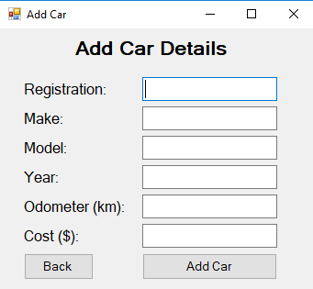
Functionality Check for Search Car button | Search Car button pressed | Moves to Search Car form | 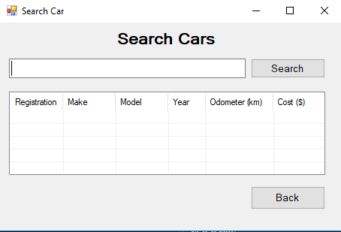
Existance Check | No data file | Add Car Message | 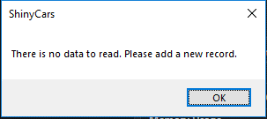

frmAddCar
Test Table frmAddCar

Test Type | Data inputted | Expected results | Actual results

Range Check | Registration= "XOG685" | Adds record and returns to frmShinyCars
 | Make= "Ford"
 | Model= "Escort"
 | Year= "1978"
 | Odometer= "190000"
 | Cost= "2500"
 | Registration= "XOG685" | Error Message | 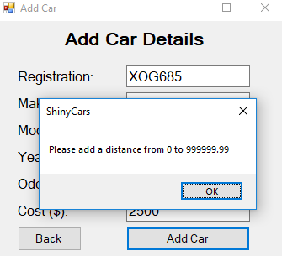
 | Make= "Ford"
 | Model= "Escort"
 | Year= "1978"
 | Odometer= "-1"
 | Cost= "2500"
 | Registration= "XOG685" | Error Message
 | Make= "Ford"
 | Model= "Escort"
 | Year= "1978"
 | Odometer= "1000000"
 | Cost= "2500"
 | Registration= "XOG685" | Error Message | 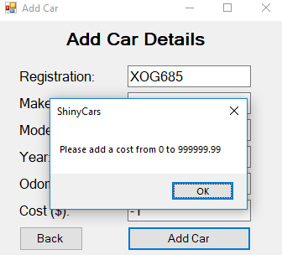
 | Make= "Ford"
 | Model= "Escort"
 | Year= "1978"
 | Odometer= "190000"
 | Cost= "-1"
 | Registration= "XOG685" | Error Message | 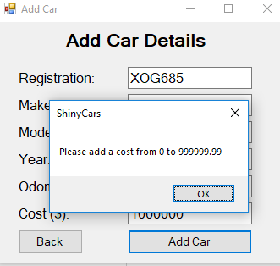
 | Make= "Ford"
 | Model= "Escort"
 | Year= "1978"
 | Odometer= "190000"
 | Cost= "1000000"
 | Registration= "XOG685" | Error Message | 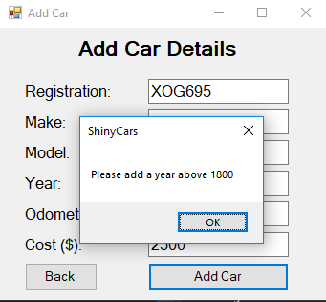
 | Make= "Ford"
 | Model= "Escort"
 | Year= "3"
 | Odometer= "190000"
 | Cost= "1000000"
Type Check | Registration= "XOG685" | Adds record and returns to frmShinyCars
 | Make= "Ford"
 | Model= "Escort"
 | Year= "1978"
 | Odometer= "190000"
 | Cost= "2500"
 | Registration= "XOG685" | Error Message | 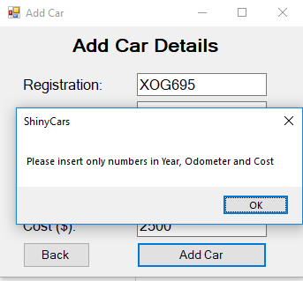
 | Make= "Ford"
 | Model= "Escort"
 | Year= "four"
 | Odometer= "190000"
 | Cost= "2500"
 | Registration= "XOG685" | Error Message
 | Make= "Ford"
 | Model= "Escort"
 | Year= "1978"
 | Odometer= "four"
 | Cost= "2500"
 | Registration= "XOG685" | Error Message | 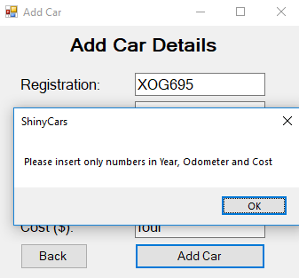
 | Make= "Ford"
 | Model= "Escort"
 | Year= "1978"
 | Odometer= "190000"
 | Cost= "four"
Existance Check | Registration= "XOG685" | Adds record and returns to frmShinyCars
 | Make= "Ford"
 | Model= "Escort"
 | Year= "1978"
 | Odometer= "190000"
 | Cost= "2500"
 | Registration= "" | Error Message | 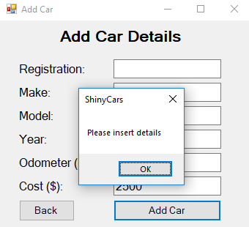
 | Make= "Ford"
 | Model= "Escort"
 | Year= "1978"
 | Odometer= "190000"
 | Cost= "2500"
 | Registration= "XOG685" | Error Message | 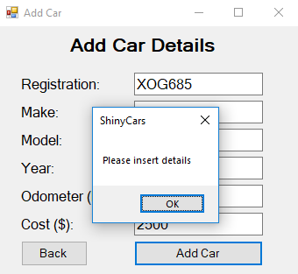
 | Make= ""
 | Model= "Escort"
 | Year= "1978"
 | Odometer= "190000"
 | Cost= "2500"
 | Registration= "XOG685" | Error Message
 | Make= "Ford"
 | Model= ""
 | Year= "1978"
 | Odometer= "190000"
 | Cost= "2500"
 | Registration= "XOG685" | Error Message
 | Make= "Ford"
 | Model= "Escort"
 | Year= ""
 | Odometer= "190000"
 | Cost= "2500"
 | Registration= "XOG685" | Error Message
 | Make= "Ford"
 | Model= "Escort"
 | Year= "1978"
 | Odometer= ""
 | Cost= "2500"
 | Registration= "XOG685" | Error Message | 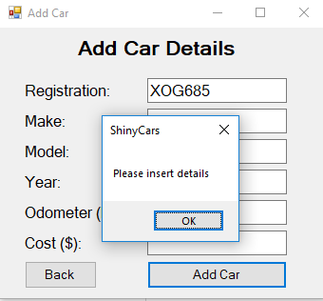
 | Make= "Ford"
 | Model= "Escort"
 | Year= "1978"
 | Odometer= "190000"
 | Cost= ""
Functionality Check for Add Car button | Registration= "XOG685" | Adds record and returns to frmShinyCars
 | Make= "Ford"
 | Model= "Escort"
 | Year= "1978"
 | Odometer= "190000"
 | Cost= "2500"
Functionality Check for Back button | Back button pressed | Moves to Shiny Cars form | 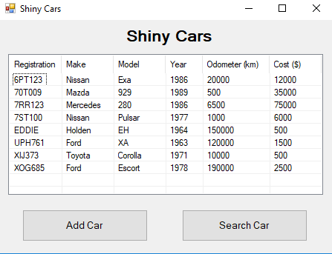

frmSearchCar
Test Table frmSearchCar

Test Type | Data inputted | Expected results | Actual results

Functionality Check for Search button | Search= "Nissan" | Displays results | 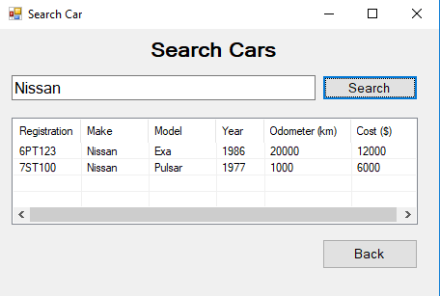

 | Search= "hrewwgefvgwe" | No results message | 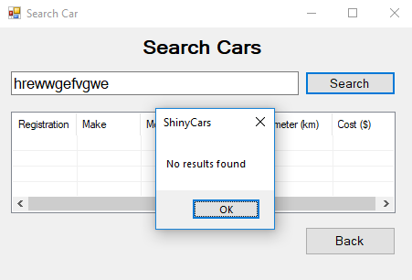

Functionality Check for Back button | Back button pressed | Moves to Shiny Cars form

Existance Check | Search= "Nissan" | Displays results

 | Search= "" | Error Message | 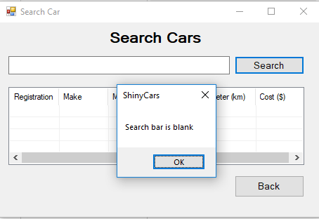

Range Check | Not applicable to this form
Type Check | Not applicable to this form

